POA Compensation Analysis
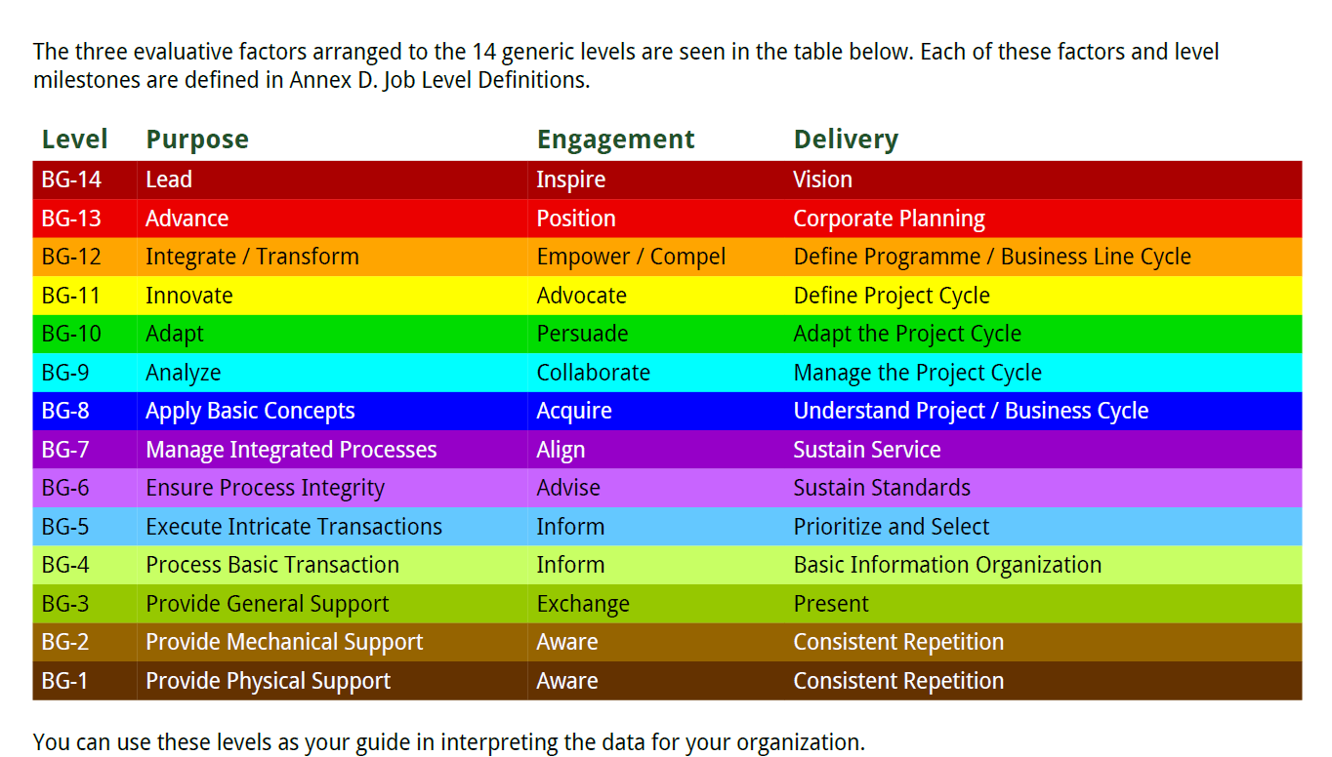
Partners of the Americas Salary Ranges for NIGERIA
Job Positions & Bands |  |  |  | Experience | Minimum USD | Minimum NGN | Midpoint USD | Midpoint NGN | Maximum USD | Maximum NGN | FFPr Nigeria Positions | Comments
Core competencies |  | Level | Yrs Exp
Maintenance Driver Assistant | Grade A | I | 0 | Minimum: no degree; no experience; no technical skills. Maximum: Grad school started;or 0-6 month of experience; with some technical skills. | $4,800 | NGN 6,800,592 | $5,000 | NGN 7,083,950 | $5,500 | NGN 7,792,345
Provide physical and mechanic support Core competencies required: -Ability to write effectively and think critically. -Ability to work in a team as well as independently and demonstrate consistency |  |  |  |  | No degree. No experience. No technical skills. |  |  |  |  |  |  |  | $2,880.0
 |  | II | 2-4 | Minimum: Level I + min 2 years of experience, with some technical skills. | $6,400 | NGN 9,067,456 | $7,400 | NGN 10,484,246 | $8,200 | NGN 11,617,678 | Driver |  | $4,174.0
 |  |  |  |  |  |  | Bachelors degree + least 2 years of experience. Some technical skills or min 2 years in level I
 |  | III | 4-6 | Minimum: 2 years of experience in Level II. | $8,200 | NGN 11,617,678 | $9,450 | NGN 13,388,666 | $10,200 | NGN 14,451,258
 |  |  |  |  |  |  |  |  | Masters degree + least 3 years experience level II; some technical skills; preferred min bilingual.

Officer/Technical Officer Sr. Officer/Sr. Technical Officer | Grade B | I | 4 | Minimum: 2 years of experience in Officer Level II, or equivalent; management skills demonstrated. | $18,123 | NGN 25,675,904 | $21,184 | NGN 30,013,081 | $24,244 | NGN 34,348,742
Process basic transaction Execute intrincate transactions Core competencies: -Thorough understanding of federal award management (program SOs) -Ability to contribute high-quality subsections of donor/partner reports/proposals -Ability to competently contribute during donor/partner meetings -Ability to manage 1-2 interns |  |  |  |  | 2 years of experience in Officer Level II, or equivalent; management skills demonstrated.
 |  | II | 4-7 | Minimum: Masters degree preferred + at least 4 years of experience; 1 year as Sr Officer level I; technical skills required; leadership experience and language desired. Ability to competently serve as interim-Associate Director when necessary. | $18,888 | NGN 26,759,819 | $21,949 | NGN 31,096,996 | $25,775 | NGN 36,518,088
 |  |  |  |  |  |  | 116.21% |  | Masters degree preferred; 7+ years experience; 3 years as Sr Officer level I; technical skills required and leadership knowledge desired; preferred min bilingual.

Coordinator Specialist Sr. Specialist Manager | Grade C | I | 6 | Minimum: Bachelors degree. 6+ years experience; 2+ years as Sr Officer Level I or II; technical skills and leadership experience required; preferred min bilingual. | $23,560 | NGN 33,380,040 | $27,539 | NGN 39,016,399 | $31,518 | NGN 44,654,274
Ensure process integrity Manage integrated processes In addition to grade B core competencies: -Ability to write high-quality full sections of proposals/reports -Ability to deliver high-quality, detail-oriented, and professional donor/partner reports -Ability to competently lead a donor/partner meeting -Ability to manage 2-3 staff and/or interns |  |  |  |  | Bachelors degree. 6+ years experience; 2+ years as Sr Officer Level I or II; technical skills and leadership experience required; preferred min bilingual. |  | 117% |  | 114.45%
 |  | II | 9 | Minimum: 3 additional years experience as AD Level I, or equivalent; international experience desired; or Level I + Masters degree; international experience desired. | $25,300 | NGN 35,844,787 | $28,600 | NGN 40,520,194 | $33,150 | NGN 46,966,589 | M&E Specialist Accountant Compliance & Procurement Specialist
 |  |  |  |  | 80.27% |  | 4 yrs experience as manger/specialist level I; technical skills and leadership experience required; language required; international experience desired. |  | 115.91%
 |  | III | 12 | Minimum: Level II + Masters degree + 3 additional years experience as AD Level II; international experience desired. Ability to competently serve as interim-Director when necessary. | $32,100 | NGN 45,478,959 | $34,900 | NGN 49,445,971 | $37,300 | NGN 52,846,267 | Technical Lead US Exports Technical Lead Access to Finance Comms / Strategic Partnerships Mgr Administration / HR Manager Grants & Contracts Manager
 |  |  |  |  | 96.83% |  | 108.72% |  | Masters degree. 8+ years experience; 3 years as Manager or specialist Level II; international experience desired.

Project Manager Director (F&A, M&E, Technical) Sr. Director | Grade D | I | 8 | Minimum: Masters degree and AD Level II or 3 years as AD Level I or equivalent; proven technical skills and leadership experience; 2nd language required; international experience desired. | $34,300 | NGN 48,595,897 | $38,300 | NGN 54,263,057 | $44,045 | NGN 62,402,516
Analyze - Adapt In addition to Grade C core competencies: -Ability to lead a full proposal (design, strategy, delegation of duties, etc.) -Ability to ensure full programmatic and financial compliance of a federal award from startup through closeout -Ability to manage 3-5 staff, including remote supervision of field staff |  |  |  |  | manager/specialist Level I + Masters degree and 2 years as manager or equivalent; 2nd language required; international experience desired. |  | 112% |  | 115.00%
 |  | II | 10 | Minimum: At least 2 years as Director Level I, or equivalent. | $37,600 | NGN 53,271,304 | $43,300 | NGN 61,347,007 | $47,002 | NGN 66,591,964 | F&A Director M&E Director Technical Director | F&A: $3,500/month, equal to $42,000 annually, is below the $60,000 to $85,000 benchmark range for Finance & Administration Directors on $10 to 20 million USG funded programs in Nigeria. The rate is defensible under donor cost reasonableness review while reflecting the role's requirements: ten plus years of finance leadership, USG compliance expertise, supervision of three staff, and key personnel responsibility on a USDA award. | $32,095 | $33,004
 |  |  |  |  | 85.37% |  | At least 3 years as Director Level I & II. |  | 108.55% |  |  |  | $12,838.0 | $13,201.5
 |  | III | 12-14 | Minimum: At least 2 years as Director Level II. Ability to competently serve as interim-Sr Director when necessary. | $39,122 | NGN 55,427,273 | $47,002 | NGN 66,591,964 | $48,441 | NGN 68,630,344 |  |  | $18,343.0 | $27,199.8
 |  |  |  |  | 83.23% |  | 120.14% |  | At least 4 years as Director Level II & III. |  |  |  | $1,528.6 | $24,133

Deputy Chief of Party/Deputy Project Director Chief of Party/Project Director | Grade E | I | 10 | Minimum: At least 2 years as Director or equivalent; proven high confidence and decision - making; strong leader and manager | $84,816 | NGN 120,166,461 | $98,069 | NGN 138,942,470 | $109,112 | NGN 154,589,145 |  |  |  | $9,653.1
In addition to Director competencies: -Ability to raise public and/or private funds -Ability to manage multiple federal awards -Ability to execute strategic and operational plans for the units - Ability to manage a full team (staff, interns, contractors), including remote supervision of field staff |  |  |  |  | At least 2 years as Director; proven high confidence and decision-making; strong leader and manager. |  | 116% |  | 111.26% |  |  |  | 48000 | $33,961.1
 |  | II | 12 | Minimum: Dual or multiple Masters Degrees; at least 2 years as Sr. Director Level I; proven high confidence and decision-making; strong leader and manager. | $89,280 | NGN 126,491,011 | $103,230 | NGN 146,255,232 | $114,855 | NGN 162,725,415
 |  |  |  |  | 81.82% |  | Dual or multiple Masters Degrees; at least 3 years as Sr. Director; proven high confidence and decision-making; strong leader and manager |  | 111.26%
 |  | III | 14 | Minimum: PhD "preference"; at least 2 years as Sr. Director. Ability to competently serve as interim Vice - President when necesary. | $96,000 | NGN 136,011,840 | $111,000 | NGN 157,263,690 | $123,500 | NGN 174,973,565 | COP | COP was selected from over 140 applicants. His salary is justified by his 24 years managing USG and multi-donor programs and is below both market benchmarks and candidate expectations: Chief of Party salaries for USG funded programs of this size in Nigeria range from USD 100,000 to USD 140,000, with a typical target of USD 115,000 to USD 130,000, and the more than 20 candidates interviewed stated salary expectations ranging from USD 120,000 to USD 180,000, above his agreed salary.
 |  |  |  |  | 83.58% |  | 115.63% |  | PhD preferance required.14+ years of experience; at least 4 years as Sr. Director or equivalent

